Data CBS
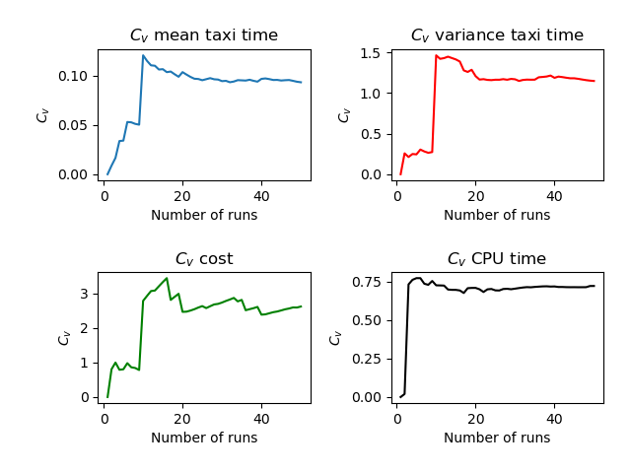
Run | Number of Aircraft | Maximum Spawn Time | Mean Taxitime | Variance Taxitime | Variance Cost | CPU Time
18 | 9 | 5 | 10.389 | 2.154 | 0.117 | 3.812
23 | 9 | 5 | 9.611 | 5.154 | 0.944 | 4.216
9 | 9 | 5 | 9.556 | 5.914 | 0.062 | 3.658
27 | 9 | 5 | 9.333 | 6.5 | 0.043 | 3.617
3 | 9 | 5 | 10.556 | 5.691 | 0.358 | 4.077
29 | 9 | 5 | 9.778 | 2.117 | 0.389 | 4.044
49 | 9 | 5 | 9.333 | 6.056 | 0.043 | 3.577
28 | 9 | 5 | 10.833 | 2.944 | 0.722 | 7.695
22 | 9 | 5 | 10.111 | 3.932 | 0.932 | 5.843
13 | 9 | 5 | 11.111 | 3.043 | 1.451 | 5.49
10 | 9 | 5 | 13.222 | 41.728 | 36.506 | 5.44
25 | 9 | 5 | 10.778 | 3.673 | 0.5 | 4.953
17 | 9 | 5 | 11.222 | 21.951 | 12.691 | 4.835
7 | 9 | 5 | 10 | 3.778 | 0.358 | 4.558
21 | 9 | 5 | 10.333 | 9.944 | 1.722 | 4.524
41 | 9 | 5 | 9 | 1.444 | 1.222 | 4.472
34 | 9 | 5 | 11.444 | 3.914 | 4.358 | 4.202
39 | 9 | 5 | 10.667 | 2 | 0.062 | 4.128
43 | 9 | 5 | 9.667 | 5.556 | 0.111 | 3.9
11 | 9 | 5 | 10 | 6.333 | 0.111 | 3.859
26 | 9 | 5 | 11.444 | 4.191 | 3.278 | 3.82
4 | 9 | 5 | 10.222 | 4.117 | 0.414 | 3.778
12 | 9 | 5 | 9.667 | 3.667 | 0.062 | 3.761
14 | 9 | 5 | 9.833 | 4.722 | 0.056 | 3.746
16 | 9 | 5 | 10.389 | 5.265 | 0.056 | 3.73
44 | 9 | 5 | 9.111 | 5.377 | 0.611 | 3.722
38 | 9 | 5 | 9.778 | 3.117 | 0.389 | 3.714
30 | 9 | 5 | 10 | 4.556 | 0.358 | 3.68
42 | 9 | 5 | 9.5 | 5.278 | 0.117 | 3.68
33 | 9 | 5 | 8.944 | 3.191 | 0.056 | 3.669
46 | 9 | 5 | 9 | 5.333 | 0 | 3.643
1 | 9 | 5 | 9.556 | 3.302 | 0.043 | 3.641
40 | 9 | 5 | 11.889 | 23.654 | 19.667 | 3.616
5 | 9 | 5 | 9.333 | 4.167 | 0.117 | 3.613
20 | 9 | 5 | 11.889 | 22.154 | 18.784 | 3.604
36 | 9 | 5 | 11 | 32.5 | 22.821 | 3.602
37 | 9 | 5 | 8.889 | 3.321 | 0.358 | 3.587
45 | 9 | 5 | 9.444 | 3.914 | 0.062 | 3.584
31 | 9 | 5 | 9.111 | 7.043 | 0.117 | 3.571
50 | 9 | 5 | 9.389 | 4.821 | 0.056 | 3.561
32 | 9 | 5 | 9.889 | 2.265 | 0.228 | 3.553
6 | 9 | 5 | 8.556 | 5.58 | 0 | 3.546
15 | 9 | 5 | 8.944 | 4.691 | 0.025 | 3.545
8 | 9 | 5 | 9.167 | 4.444 | 0.617 | 3.541
19 | 9 | 5 | 10.389 | 1.988 | 0.025 | 3.54
35 | 9 | 5 | 9.222 | 3.562 | 0.043 | 3.533
47 | 9 | 5 | 9 | 5.778 | 0.358 | 3.533
24 | 9 | 5 | 9.278 | 4.673 | 0.377 | 3.53
48 | 9 | 5 | 9.611 | 5.654 | 0.025 | 3.502
2 | 9 | 5 | 9.722 | 1.951 | 0.395 | 3.497
 | 9 | 5 | 9.9822 | 6.76204 | 2.64434 | 3.99084

